Pine TCC
Institution: | Pine Technical and Community College
Contact Name: | Frank Christopherson
Contact Email: | Frank.Christopherson@pine.edu

Fee Type | Max Credits Charged Per Term | FY2024 Per Credit Rate | FY2025 Per Credit Rate | % Per Credit Change | Please add any releavant notes or details we should be aware of
Revenue Fund | 15 | - | - |  | STUDENT BODY REFERENDUM: How many students voted in total, how many in favor?
Technology | 15 | 13.00 | 13.00 | 0.0% | We had 58 students vote in total and there were 36 that voted yes, and 22 no.
Athletics | 15 | - | - |  | How many days was the vote open, and what methodologies? In person, online, both?
Health Services | 15 | - | - |  | The vote was open from March 25-27th. It was a online form.
Student Activity/Life | 15 | 3.40 | 5.40 | 58.8% | How was the vote promoted?
Parking | 15 | 4.22 | 4.34 | 2.8% | Voting was promoted by email, and word of mouth. We hosted a couple tabling sessions to help students understand what they were voting for.
Student Association Fees | 15 | 0.35 | 0.35 | 0.0% | Voter turnout was greater than normal, typically there are only 15-20 students who vote a during a student senate election.
Total Annual Fees Per FYE |  | 629.10 | 692.70 | 10.1%

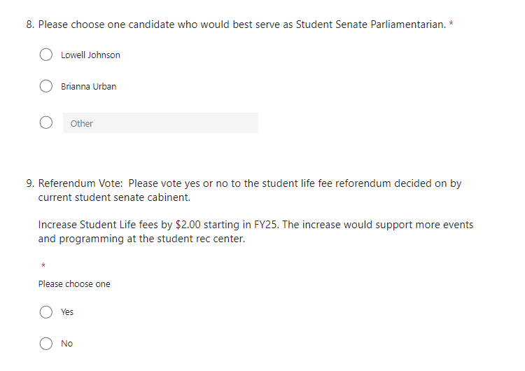
Tuition Type | FY2024 Rate | FY2025 Rate | % Change
Per Credit | 174.09 | 174.09 | 0.0%
Non-Resident | 174.09 | 174.09 | 0.0%
Online Rate | 178.59 | 178.59 | 0.0%

 | FY2024 | FY2025
Differential Programs | Tuition Rate (Base + Differential) | Tuition Rate (Base + Differential) | % Change
360 Center of Excellence Consortium Courses CMAE | 211.45 | 211.45 | 0.0%
Automation Technology (ETEC) | 209.09 | 209.09 | 0.0%
Automotive Technology (ATMP) | 208.24 | 208.24 | 0.0%
Construction Technology (CONS) | 219.09 | 219.09 | 0.0%
Cyber Security (CSEC) | 174.09 | 218.59 | 25.6% |  | New - Approved
Early Childhood Development (CDEV) | 176.14 | 176.14 | 0.0%
Emergency Medical Services Professional Certificate (EMS) | 215.04 | 215.04 | 0.0%
Gunsmithing (GSTP) | 197.89 | 197.89 | 0.0%
Manufacturing (MTTP) | 195.09 | 195.09 | 0.0%
Networking Administration (COCP) | 174.09 | 218.59 | 25.6% |  | New - Approved
Nursing (HEOP, HPPC) | 212.14 | 212.14 | 0.0%
Nursing (PRSG, NURS) | 247.09 | 247.09 | 0.0%
Welding (WELD) | 210.09 | 210.09 | 0.0%

